Join Condition
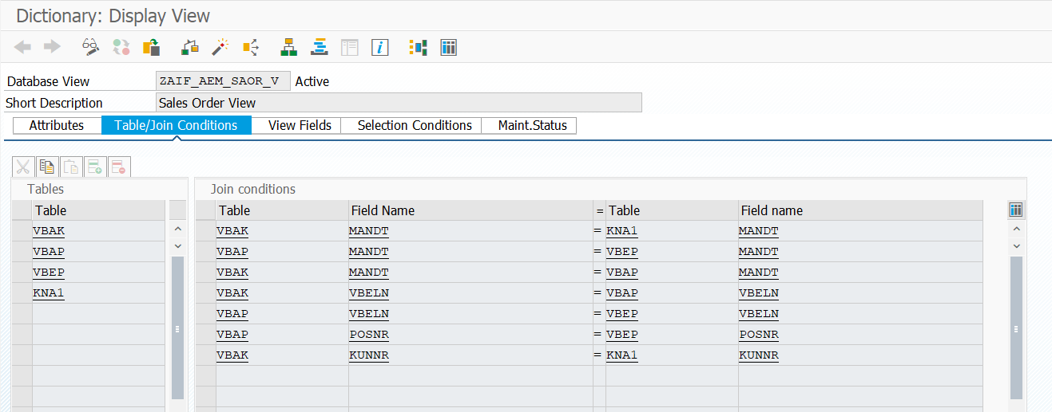

VBAK | MANDT | = | KNA1 | MANDT
VBAP | MANDT | = | VBEP | MANDT
VBAK | MANDT | = | VBAP | MANDT
VBAK | VBELN | = | VBAP | VBELN
VBAP | VBELN | = | VBEP | VBELN
VBAP | POSNR | = | VBEP | POSNR
VBAK | KUNNR | = | KNA1 | KUNNR

Fields
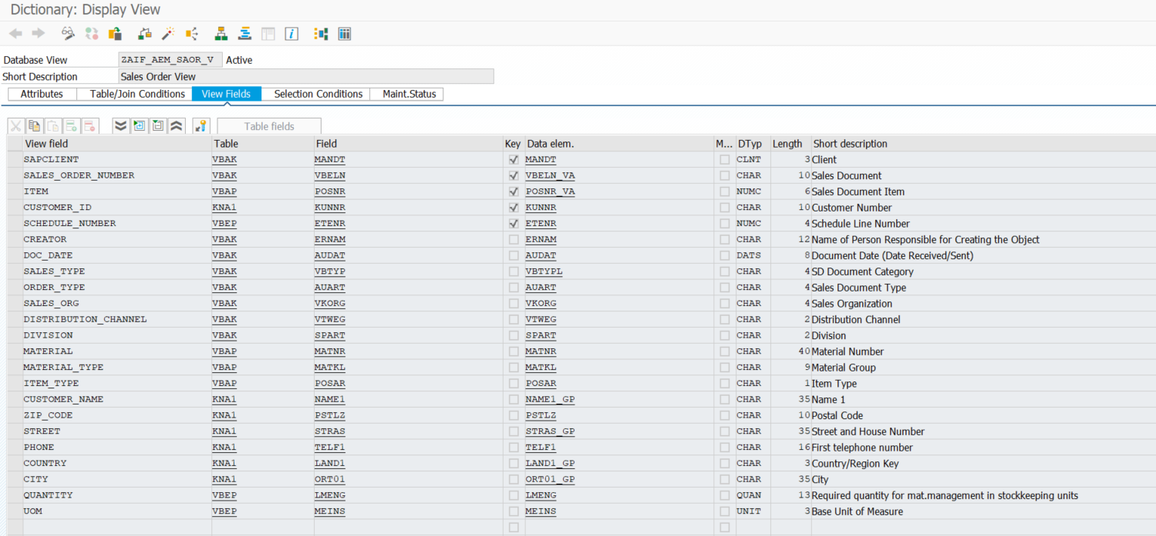

SAPCLIENT | VBAK | MANDT
SALES_ORDER_NUMBER | VBAK | VBELN
ITEM | VBAP | POSNR
CUSTOMER_ID | KNA1 | KUNNR
SCHEDULE_NUMBER | VBEP | ETENR
CREATOR | VBAK | ERNAM
DOC_DATE | VBAK | AUDAT
SALES_TYPE | VBAK | VBTYP
ORDER_TYPE | VBAK | AUART
SALES_ORG | VBAK | VKORG
DISTRIBUTION_CHANNEL | VBAK | VTWEG
DIVISION | VBAK | SPART
MATERIAL | VBAP | MATNR
MATERIAL_TYPE | VBAP | MATKL
ITEM_TYPE | VBAP | POSAR
CUSTOMER_NAME | KNA1 | NAME1
ZIP_CODE | KNA1 | PSTLZ
STREET | KNA1 | STRAS
PHONE | KNA1 | TELF1
COUNTRY | KNA1 | LAND1
CITY | KNA1 | ORT01
QUANTITY | VBEP | LMENG
UOM | VBEP | MEINS

